1. Title Page
[Instacart Basket Analysis]

Project Name: Instacart Grocery Basket Analysis
Date: 7/15/2022
Analyst Name: Shey LeGras

Contents:
Population Flow
Consistency checks
Wrangling steps
Column derivations
Visualizations & Recommendations
Recommendations

Objective:
Instacart is an online grocery store that operates through an app. Instacart already has very good sales, but they want to uncover more information about their sales patterns. The analysis team was tasked with performing an initial data and exploratory analysis of some of their data in order to derive insights and suggest strategies for better segmentation based on the provided criteria.

Context:
The Instacart stakeholders are most interested in the variety of customers in their database along with their purchasing behaviors. They assume they can't target everyone using the same methods, and they’re considering a targeted marketing strategy. They want to target different customers with applicable marketing campaigns to see whether they have an effect on the sale of their products.

Citation:
“The Instacart Online Grocery Shopping Dataset 2017”, Accessed from https://www.instacart.com/datasets/grocery-shopping-2017 on 7/12/2022
Customers Data Set

*Do note that the customer data as well as the “prices” column in the products data set, were both fabricated for the purpose of this analysis.

2. Population Flow
Title page

Population flow

Exclusion flag
Condition: max_order < 5
Obervations to be removed: 1,440,295
Final total count of order_products_all: 30,964,564

Orders_products_combined
Orders_products_merged
Orders_products_all

Total: 32,434,489
Total: 32,404,859
Total: 32,404,859

1.) The grey boxes in the first row of the population flow represent the original data sets as they were when you downloaded them. In the Total fields you need to add the count of the rows when you imported the data set into Jupyter.
2.) The second row of boxes (coloured) represents the data sets after you manipulated them, e.g., removed missing values and duplicates. In the Total fields you need to add the count of the rows after conducting these operations. This offers a visual oveview of how the data flows throughout the data consistency checks.
3.) The third row, where also the arrows are coloured, represents the merges you performed between the datasets. In the Total fields you need to add the count of the rows in the merged datasets, so that you end up with the final dataset (in the red box). Keep in mind the final dataset should be without exclusions (based on the exclusion flag).

3. Consistency checks
 |  |  |  |  |  |  | Title page
Consistency checks

Dataset | Missing values | Missing values treatment | Duplicates
orders | days_since_previous_order: 206209 missing values | As it is assumed missing values are from new customer, created flag for new customer, see below. | N/A
products | product_name: 16 missing values | dropped missing values | 5
orders_products_prior | N/A | N/A | N/A
customers | first_name: 11,259 missing values | Originally nothing was done as analysis could still be done with missing names. First and last name columns ultimatley dropped necause of PII | N/A

days_since_previous_order | 1 | 2 | 3 | 4 | 5 | 6 | 7 | 8 | 9 | 10 | 11 | 12 | 13 | 14 | 15 | 16 | 17 | 18 | 19 | 20 | 21 | 22 | 23 | 24 | 25 | 26 | 27 | 28 | 29 | 30 | 31 | 32 | 33 | 34 | 35 | 36 | 37 | 38 | 39 | 40 | 41 | 42 | 43 | 44 | 45 | 46 | 47 | 48 | 49 | 50 | 51 | 52 | 53 | 54 | 55 | 56 | 57 | 58 | 59 | 60 | 61 | 62 | 63 | 64 | 65 | 66 | 67 | 68 | 69 | 70 | 71 | 72 | 73 | 74 | 75 | 76 | 77 | 78 | 79 | 80 | 81 | 82 | 83 | 84 | 85 | 86 | 87 | 88 | 89 | 90 | 91 | 92 | 93 | 94 | 95 | 96 | 97 | 98 | 99
0 | 0 | 20536 | 20441 | 17984 | 16438 | 16046 | 14384 | 13890 | 12774 | 11460 | 11784 | 9828 | 9438 | 8960 | 8435 | 8130 | 7848 | 7749 | 7038 | 6902 | 7084 | 6424 | 6170 | 6103 | 6032 | 5541 | 6049 | 5569 | 5201 | 5685 | 4811 | 5133 | 4630 | 4535 | 4552 | 4384 | 4314 | 4093 | 3864 | 4029 | 4056 | 3825 | 3677 | 3670 | 3226 | 3519 | 3326 | 2720 | 3164 | 2634 | 2482 | 2928 | 2624 | 2522 | 2379 | 2483 | 2375 | 2221 | 2354 | 2196 | 2069 | 2247 | 1856 | 2031 | 1585 | 2127 | 1939 | 1871 | 1560 | 1672 | 1700 | 1573 | 1731 | 1555 | 1341 | 1537 | 1526 | 1422 | 1369 | 1184 | 1306 | 1196 | 1150 | 1490 | 1343 | 1358 | 1139 | 1177 | 1177 | 1195 | 1148 | 1040 | 937 | 1134 | 1099 | 1041 | 883 | 1037 | 935
1 | 0 | 31674 | 29950 | 28010 | 27092 | 25533 | 24996 | 22921 | 21783 | 21067 | 21260 | 19516 | 19108 | 18279 | 18544 | 18133 | 16765 | 15977 | 15509 | 15128 | 15183 | 13855 | 13619 | 13230 | 12861 | 13006 | 12938 | 11962 | 12525 | 12084 | 11751 | 11581 | 10867 | 10395 | 9694 | 9688 | 9760 | 9506 | 9562 | 9456 | 8645 | 8873 | 8713 | 8576 | 8441 | 8323 | 8482 | 8199 | 7711 | 7147 | 7715 | 6976 | 6525 | 7033 | 7112 | 6250 | 6438 | 6265 | 5896 | 5851 | 5598 | 5947 | 4935 | 5725 | 4852 | 4950 | 5263 | 4675 | 4568 | 4692 | 4123 | 4405 | 4222 | 4229 | 4013 | 3918 | 4106 | 3996 | 3596 | 4132 | 3518 | 3149 | 3458 | 3289 | 3245 | 3108 | 2970 | 2693 | 3027 | 2787 | 2801 | 2728 | 2605 | 2606 | 2639 | 2436 | 2535 | 2633 | 2363
2 | 0 | 46454 | 46264 | 43902 | 40729 | 40907 | 38101 | 37519 | 35745 | 33830 | 33364 | 31473 | 30602 | 30259 | 28626 | 27574 | 26687 | 26236 | 25612 | 23717 | 23529 | 23979 | 23049 | 22337 | 21831 | 21598 | 20651 | 19776 | 18953 | 19240 | 18736 | 18331 | 17108 | 17534 | 16381 | 16021 | 16448 | 16095 | 15569 | 14664 | 14450 | 14344 | 13397 | 12920 | 12940 | 12895 | 12061 | 13443 | 12348 | 11730 | 11714 | 10607 | 10573 | 10813 | 10214 | 9494 | 9709 | 9349 | 8823 | 8733 | 8963 | 8179 | 8185 | 7712 | 7416 | 7756 | 7338 | 7041 | 7148 | 6623 | 6737 | 6386 | 6289 | 5951 | 5709 | 5629 | 5221 | 5058 | 5071 | 4704 | 4924 | 4388 | 4801 | 4658 | 3946 | 3937 | 4074 | 4204 | 3474 | 3623 | 3555 | 3314 | 3589 | 3319 | 3072 | 2985 | 3057 | 3091 | 2609
3 | 0 | 61637 | 63388 | 59996 | 57882 | 56183 | 52869 | 49291 | 48295 | 47826 | 45028 | 42994 | 42117 | 40701 | 38433 | 37943 | 35934 | 34663 | 34387 | 32645 | 32395 | 31478 | 30683 | 29434 | 29001 | 28254 | 26465 | 27083 | 25750 | 23421 | 23592 | 24477 | 23818 | 22226 | 21865 | 21329 | 20609 | 20805 | 19501 | 20909 | 18544 | 17952 | 17429 | 16905 | 16367 | 16424 | 15506 | 15539 | 14239 | 14977 | 13646 | 13555 | 12915 | 12216 | 11583 | 11839 | 11204 | 10572 | 10601 | 9899 | 10058 | 9837 | 9019 | 9232 | 8346 | 7929 | 7890 | 7420 | 7948 | 7222 | 6659 | 6834 | 6267 | 6273 | 6433 | 6070 | 5437 | 5168 | 5425 | 4885 | 5008 | 4557 | 4436 | 3799 | 4246 | 4005 | 3915 | 3359 | 3573 | 3318 | 3237 | 2799 | 3073 | 2902 | 2635 | 2658 | 2462 | 2168 | 2467
4 | 0 | 76733 | 78861 | 73540 | 70519 | 66569 | 62399 | 61143 | 59499 | 57700 | 54730 | 51935 | 48774 | 46896 | 45838 | 44241 | 42119 | 41276 | 39404 | 37328 | 36517 | 36475 | 35903 | 33132 | 34157 | 31341 | 31036 | 30094 | 28532 | 27017 | 26954 | 26013 | 24438 | 24654 | 23964 | 23047 | 22939 | 21584 | 20794 | 19015 | 19390 | 19327 | 18766 | 18719 | 18091 | 16584 | 16188 | 15564 | 15003 | 14202 | 13801 | 13032 | 12912 | 12019 | 11650 | 11928 | 11599 | 10291 | 9864 | 9640 | 9029 | 8717 | 8571 | 7755 | 8195 | 7316 | 6613 | 6331 | 6114 | 6468 | 6385 | 5590 | 5320 | 4985 | 5209 | 4348 | 4795 | 4442 | 4184 | 4229 | 3868 | 3985 | 3444 | 3224 | 2843 | 2862 | 2584 | 2711 | 2630 | 2342 | 2260 | 2490 | 2031 | 1800 | 2083 | 1918 | 1792 | 1695 | 1810
5 | 0 | 88999 | 91741 | 86503 | 81859 | 77583 | 73584 | 70020 | 64468 | 63154 | 59454 | 55546 | 53534 | 52955 | 49271 | 46960 | 47010 | 44879 | 42069 | 40778 | 40189 | 37707 | 35499 | 36144 | 34793 | 32270 | 31855 | 29641 | 29403 | 29377 | 27823 | 26071 | 25951 | 24194 | 23069 | 22117 | 21232 | 20018 | 19594 | 20514 | 18734 | 17596 | 16948 | 15597 | 15486 | 14351 | 14082 | 13320 | 13483 | 11456 | 12043 | 11739 | 10810 | 10348 | 10181 | 9077 | 8716 | 8578 | 7678 | 7878 | 6733 | 6396 | 6566 | 5757 | 5378 | 5299 | 4611 | 5508 | 5065 | 4396 | 4117 | 4276 | 3544 | 3440 | 3246 | 3197 | 2487 | 2725 | 2746 | 2816 | 2289 | 2303 | 2138 | 2099 | 2372 | 2002 | 1946 | 1566 | 1462 | 1630 | 1630 | 1367 | 983 | 1215 | 1220 | 1166 | 966 | 912 | 936
6 | 0 | 120681 | 122871 | 114644 | 106764 | 100756 | 95954 | 89752 | 87203 | 78634 | 78896 | 74719 | 68650 | 65130 | 62374 | 58794 | 56469 | 54791 | 53258 | 51292 | 49395 | 46209 | 44182 | 41002 | 38586 | 38714 | 36434 | 35073 | 33674 | 32644 | 30845 | 29967 | 28473 | 28306 | 26601 | 26518 | 24094 | 22753 | 22728 | 20868 | 19362 | 18786 | 17762 | 17389 | 16746 | 15137 | 13992 | 12418 | 12933 | 11604 | 11087 | 9631 | 9277 | 8368 | 8686 | 7298 | 7078 | 6703 | 6146 | 6114 | 5515 | 4911 | 5011 | 4549 | 4643 | 3848 | 3975 | 3536 | 3445 | 2902 | 2886 | 2251 | 2779 | 2594 | 2230 | 1949 | 1930 | 1891 | 1738 | 1531 | 1693 | 1448 | 1391 | 1340 | 1216 | 995 | 960 | 1063 | 989 | 754 | 842 | 940 | 1014 | 835 | 570 | 490 | 602 | 485 | 542
7 | 0 | 184802 | 181656 | 167597 | 157442 | 143628 | 137675 | 128423 | 120734 | 114769 | 106392 | 103116 | 100542 | 93723 | 89445 | 86204 | 81249 | 78056 | 73126 | 71052 | 68563 | 64149 | 62517 | 58574 | 56692 | 53871 | 50909 | 48710 | 47628 | 44825 | 42455 | 41609 | 38258 | 35791 | 34191 | 33235 | 32298 | 30421 | 28159 | 27660 | 27208 | 25988 | 23792 | 21938 | 20517 | 19873 | 17770 | 17174 | 15137 | 14707 | 12832 | 12948 | 10361 | 9594 | 8579 | 7316 | 7017 | 6385 | 6247 | 5733 | 5190 | 4902 | 3872 | 3571 | 3462 | 3587 | 3410 | 2562 | 2245 | 2471 | 2108 | 2394 | 2044 | 1907 | 1678 | 1629 | 1784 | 1438 | 1324 | 1086 | 958 | 969 | 920 | 858 | 956 | 710 | 763 | 714 | 694 | 634 | 573 | 521 | 440 | 602 | 421 | 420 | 378 | 419 | 322
8 | 0 | 112324 | 110742 | 102217 | 94945 | 87611 | 81622 | 78760 | 71070 | 67567 | 64889 | 60068 | 57373 | 53559 | 50904 | 47433 | 44192 | 43274 | 40812 | 38660 | 35895 | 35093 | 31992 | 30974 | 30050 | 27674 | 25995 | 26308 | 23929 | 22221 | 21980 | 19751 | 19303 | 17557 | 17539 | 16115 | 16128 | 14634 | 14585 | 13279 | 11925 | 11625 | 11090 | 10410 | 9421 | 8519 | 7974 | 7459 | 7216 | 6493 | 5557 | 5042 | 5048 | 4438 | 3768 | 3757 | 3044 | 2926 | 2888 | 2581 | 2522 | 2243 | 1972 | 1852 | 1713 | 1350 | 1338 | 1509 | 1324 | 1428 | 1085 | 1137 | 1165 | 937 | 958 | 759 | 761 | 762 | 731 | 477 | 475 | 322 | 549 | 656 | 262 | 342 | 278 | 416 | 340 | 238 | 262 | 228 | 244 | 275 | 232 | 234 | 143 | 137 | 84
9 | 0 | 73676 | 75379 | 68513 | 65045 | 58933 | 54801 | 50593 | 47752 | 43483 | 42175 | 38059 | 36775 | 34974 | 31584 | 30753 | 28868 | 26648 | 25607 | 23312 | 22198 | 20464 | 20556 | 18864 | 17911 | 16488 | 16820 | 15386 | 14568 | 13532 | 12991 | 12418 | 11511 | 10783 | 10639 | 9207 | 8483 | 8096 | 7256 | 7041 | 6455 | 5867 | 5848 | 5450 | 4910 | 4506 | 3902 | 3486 | 3554 | 3272 | 3188 | 2813 | 2287 | 2176 | 2294 | 1978 | 1787 | 1629 | 1637 | 1683 | 1281 | 1045 | 1073 | 1005 | 1005 | 705 | 926 | 932 | 715 | 628 | 454 | 550 | 482 | 613 | 417 | 398 | 317 | 482 | 374 | 241 | 271 | 332 | 347 | 348 | 115 | 209 | 201 | 229 | 266 | 190 | 90 | 98 | 101 | 146 | 91 | 67 | 102 | 66 | 65
10 | 0 | 62037 | 62457 | 57676 | 51916 | 49463 | 43706 | 41110 | 38443 | 34916 | 33905 | 32706 | 29763 | 28718 | 25319 | 23601 | 22588 | 20539 | 19364 | 18414 | 17548 | 15869 | 15648 | 14704 | 14095 | 13640 | 12147 | 10827 | 10530 | 10545 | 10006 | 8527 | 8490 | 7972 | 7629 | 6640 | 6158 | 5935 | 5614 | 4596 | 4850 | 4719 | 3768 | 3747 | 3638 | 3395 | 3032 | 2868 | 2346 | 2579 | 2103 | 2125 | 2034 | 1703 | 1579 | 1304 | 1393 | 1226 | 1148 | 901 | 915 | 721 | 893 | 742 | 821 | 570 | 540 | 596 | 431 | 493 | 370 | 443 | 626 | 389 | 579 | 389 | 339 | 239 | 191 | 216 | 143 | 111 | 289 | 203 | 278 | 136 | 223 | 114 | 138 | 60 | 103 | 222 | 78 | 45 | 116 | 4 | 101 | 42 | 59
11 | 0 | 55561 | 55918 | 51974 | 45512 | 42542 | 40174 | 36884 | 33404 | 30830 | 29422 | 27423 | 26254 | 23919 | 21639 | 20252 | 20334 | 17858 | 17074 | 15903 | 13577 | 13913 | 12087 | 11981 | 10706 | 11288 | 9861 | 8609 | 7930 | 7036 | 8067 | 6156 | 6559 | 5935 | 5579 | 5379 | 4936 | 4200 | 4048 | 3722 | 3388 | 2982 | 3199 | 2921 | 2710 | 2192 | 2269 | 2042 | 1782 | 1716 | 1637 | 1343 | 1554 | 1354 | 1225 | 1121 | 1020 | 997 | 819 | 735 | 758 | 652 | 688 | 451 | 523 | 383 | 391 | 349 | 273 | 438 | 417 | 344 | 349 | 286 | 256 | 226 | 234 | 139 | 155 | 213 | 139 | 347 | 102 | 97 | 102 | 111 | 68 | 46 | 61 | 57 | 83 | 175 | 55 | 68 | 126 | 63 | 64 | 1 | 19
12 | 0 | 54604 | 56630 | 51043 | 44615 | 42591 | 38685 | 35331 | 33477 | 29857 | 26682 | 26520 | 24342 | 21421 | 21437 | 20403 | 18272 | 16061 | 15712 | 14412 | 12982 | 12227 | 11013 | 10950 | 9543 | 8705 | 8608 | 7955 | 7454 | 7137 | 6361 | 5965 | 5373 | 4695 | 5381 | 4624 | 3956 | 4086 | 3542 | 3287 | 3193 | 2808 | 2473 | 1952 | 1858 | 2150 | 1981 | 1567 | 1423 | 1746 | 1208 | 1400 | 1138 | 859 | 670 | 797 | 734 | 702 | 978 | 749 | 394 | 538 | 577 | 459 | 536 | 434 | 283 | 386 | 408 | 264 | 319 | 275 | 341 | 196 | 224 | 190 | 137 | 183 | 170 | 126 | 202 | 63 | 65 | 101 | 187 | 55 | 101 | 53 | 55 | 58 | 54 | 70 | 32 | 50 | 75 | 55 | 52 | 5 | 66
13 | 0 | 63962 | 66351 | 58478 | 54339 | 47725 | 44872 | 41268 | 38333 | 34275 | 32540 | 28186 | 26812 | 23669 | 23219 | 20620 | 20562 | 18331 | 16442 | 14425 | 15009 | 12033 | 11747 | 10648 | 10059 | 9569 | 8837 | 7687 | 7736 | 6742 | 5846 | 5659 | 5372 | 5555 | 4727 | 4422 | 3586 | 3598 | 3116 | 2976 | 2921 | 2294 | 2419 | 2244 | 1728 | 1877 | 1674 | 1208 | 1197 | 1105 | 1131 | 847 | 988 | 740 | 684 | 800 | 417 | 480 | 399 | 307 | 557 | 347 | 398 | 390 | 252 | 297 | 355 | 456 | 317 | 228 | 175 | 154 | 116 | 73 | 71 | 230 | 56 | 202 | 214 | 65 | 80 | 123 | 59 | 75 | 53 | 94 | 63 | 56 | 82 | 69 | 93 | 93 | 80 | 85 | 24 | 27 | 61 | 83 | 68
14 | 0 | 82109 | 79773 | 74714 | 67484 | 60476 | 54863 | 49237 | 46265 | 42381 | 38402 | 34335 | 32063 | 30164 | 26894 | 25911 | 24366 | 22016 | 19793 | 18077 | 15054 | 15287 | 14637 | 13303 | 11500 | 10719 | 10466 | 9480 | 7996 | 8325 | 7978 | 6654 | 6229 | 5301 | 4439 | 4868 | 4250 | 3624 | 3925 | 2820 | 2851 | 2258 | 2711 | 2692 | 1951 | 2073 | 1834 | 1640 | 1388 | 1241 | 964 | 633 | 1051 | 627 | 669 | 906 | 582 | 808 | 645 | 455 | 476 | 274 | 437 | 423 | 214 | 168 | 392 | 340 | 257 | 243 | 205 | 277 | 160 | 150 | 103 | 84 | 110 | 124 | 94 | 32 | 91 | 28 | 137 | 45 | 77 | 46 | 41 | 39 | 57 | 38 | 8 | 13 | 96 | 55 | 41 | 32 | 54 | 33 | 5
15 | 0 | 54492 | 53593 | 50229 | 44029 | 39497 | 35548 | 33879 | 29615 | 27757 | 25061 | 24441 | 20663 | 19269 | 17666 | 16195 | 15608 | 13384 | 12534 | 11839 | 10060 | 10403 | 8338 | 7646 | 8086 | 6473 | 6324 | 6086 | 5434 | 5211 | 4247 | 4193 | 3806 | 3391 | 2952 | 2868 | 2706 | 2828 | 2264 | 2339 | 1636 | 1833 | 1692 | 1609 | 1141 | 991 | 936 | 1055 | 653 | 993 | 541 | 558 | 448 | 724 | 661 | 478 | 295 | 341 | 357 | 243 | 155 | 229 | 273 | 175 | 121 | 263 | 158 | 164 | 102 | 129 | 160 | 71 | 137 | 55 | 107 | 106 | 24 | 100 | 78 | 35 | 22 | 66 | 113 | 91 | 56 | 34 | 66 | 9 | 16 | 44 | 14 | 31 | 25 | 6 | 23 | 20 | 17 | 7 | 17
16 | 0 | 38887 | 39524 | 34481 | 30581 | 28286 | 25429 | 22407 | 22373 | 20587 | 17432 | 15607 | 14352 | 13293 | 11936 | 10824 | 9592 | 9666 | 8459 | 7670 | 6717 | 6477 | 5717 | 5714 | 4964 | 4077 | 3811 | 3762 | 3307 | 2613 | 2529 | 3002 | 2341 | 2280 | 1999 | 2040 | 1610 | 1450 | 1400 | 1332 | 974 | 950 | 827 | 717 | 843 | 614 | 745 | 866 | 497 | 574 | 497 | 366 | 389 | 299 | 526 | 260 | 219 | 251 | 184 | 153 | 70 | 74 | 119 | 112 | 190 | 85 | 100 | 85 | 71 | 75 | 115 | 104 | 76 | 64 | 49 | 30 | 48 | 27 | 54 | 19 | 51 | 41 | 51 | 10 | 29 | 31 | 41 | 7 | 8 | 65 | 20 | 7 | 0 | 12 | 0 | 39 | 50 | 17 | 10
17 | 0 | 31942 | 32861 | 29823 | 26271 | 23860 | 20629 | 18592 | 17567 | 16012 | 14276 | 12805 | 12054 | 11604 | 10133 | 9139 | 7982 | 7794 | 7889 | 6215 | 5686 | 5401 | 5216 | 4849 | 3598 | 3633 | 3198 | 2932 | 2766 | 2164 | 2060 | 1918 | 2010 | 1736 | 1713 | 1406 | 1250 | 860 | 1033 | 865 | 969 | 894 | 710 | 673 | 536 | 635 | 540 | 398 | 463 | 314 | 361 | 401 | 353 | 127 | 388 | 236 | 206 | 284 | 135 | 86 | 132 | 118 | 155 | 186 | 91 | 56 | 37 | 76 | 49 | 23 | 44 | 65 | 44 | 34 | 73 | 18 | 21 | 45 | 27 | 16 | 28 | 91 | 10 | 8 | 46 | 15 | 37 | 16 | 1 | 14 | 0 | 32 | 0 | 16 | 7 | 4 | 23 | 0 | 5
18 | 0 | 31615 | 30484 | 27305 | 24859 | 21999 | 19165 | 17597 | 16762 | 15066 | 13316 | 12352 | 11341 | 9946 | 9042 | 8150 | 7173 | 6812 | 6676 | 5862 | 5099 | 4482 | 3583 | 3463 | 3459 | 3366 | 2780 | 2747 | 2179 | 2167 | 1806 | 1962 | 1530 | 1182 | 1515 | 1330 | 1045 | 955 | 1007 | 736 | 847 | 709 | 648 | 681 | 377 | 512 | 448 | 347 | 479 | 277 | 285 | 316 | 170 | 219 | 228 | 123 | 75 | 100 | 170 | 247 | 134 | 140 | 82 | 122 | 43 | 116 | 33 | 182 | 41 | 70 | 44 | 5 | 39 | 0 | 17 | 9 | 31 | 4 | 75 | 3 | 30 | 7 | 4 | 5 | 32 | 0 | 19 | 0 | 16 | 0 | 1 | 13 | 0 | 20 | 0 | 51 | 0 | 0 | 26
19 | 0 | 29890 | 31364 | 26501 | 23852 | 21441 | 19910 | 17867 | 15702 | 14316 | 12668 | 11411 | 10584 | 9073 | 8335 | 7743 | 6936 | 6291 | 6173 | 4884 | 4701 | 4669 | 4084 | 3240 | 3201 | 2651 | 2030 | 2667 | 2480 | 1534 | 1865 | 1574 | 1337 | 1549 | 1102 | 1090 | 830 | 820 | 631 | 574 | 561 | 692 | 718 | 496 | 372 | 211 | 434 | 385 | 288 | 328 | 447 | 269 | 147 | 163 | 106 | 170 | 72 | 120 | 144 | 117 | 128 | 15 | 56 | 70 | 37 | 79 | 15 | 87 | 30 | 28 | 37 | 57 | 26 | 38 | 17 | 41 | 29 | 62 | 26 | 31 | 16 | 0 | 29 | 0 | 60 | 4 | 12 | 1 | 0 | 0 | 6 | 0 | 0 | 0 | 0 | 21 | 14 | 0 | 0
20 | 0 | 35489 | 35213 | 31767 | 28748 | 25526 | 23119 | 19785 | 17132 | 16038 | 13598 | 13388 | 11947 | 10520 | 9639 | 8228 | 7692 | 6706 | 6526 | 5793 | 5526 | 4690 | 4170 | 3582 | 3290 | 3019 | 2897 | 2185 | 1950 | 2255 | 1670 | 1592 | 1357 | 1674 | 1255 | 1169 | 969 | 702 | 1008 | 671 | 640 | 520 | 509 | 423 | 497 | 340 | 479 | 369 | 220 | 399 | 192 | 243 | 149 | 128 | 171 | 146 | 109 | 137 | 95 | 138 | 58 | 100 | 33 | 87 | 83 | 123 | 62 | 51 | 35 | 24 | 0 | 75 | 26 | 19 | 59 | 52 | 47 | 15 | 29 | 40 | 35 | 36 | 81 | 8 | 19 | 24 | 2 | 30 | 2 | 31 | 41 | 7 | 0 | 9 | 0 | 0 | 0 | 0 | 0
21 | 0 | 43945 | 44587 | 37647 | 32182 | 31429 | 26005 | 23502 | 20599 | 19549 | 16181 | 15146 | 13353 | 12165 | 10983 | 9804 | 8601 | 8148 | 6913 | 6130 | 5927 | 4786 | 4268 | 4144 | 3866 | 3530 | 3100 | 2424 | 2532 | 2545 | 2041 | 1605 | 1715 | 1658 | 1332 | 1147 | 1106 | 928 | 889 | 761 | 702 | 583 | 431 | 409 | 486 | 394 | 390 | 300 | 402 | 321 | 218 | 102 | 238 | 154 | 172 | 189 | 121 | 150 | 56 | 80 | 90 | 96 | 51 | 76 | 42 | 97 | 27 | 69 | 27 | 41 | 13 | 43 | 57 | 24 | 59 | 30 | 6 | 16 | 1 | 22 | 11 | 0 | 10 | 2 | 0 | 29 | 0 | 30 | 8 | 19 | 0 | 32 | 12 | 0 | 19 | 0 | 0 | 12 | 0
22 | 0 | 30037 | 29490 | 26582 | 23394 | 20486 | 18492 | 16947 | 15403 | 13864 | 11554 | 10671 | 9305 | 8216 | 8127 | 6580 | 6234 | 5182 | 4549 | 4677 | 3839 | 3146 | 3236 | 3001 | 2495 | 2454 | 1872 | 1824 | 1380 | 1433 | 1564 | 1477 | 979 | 950 | 987 | 804 | 785 | 701 | 487 | 424 | 543 | 394 | 345 | 421 | 413 | 276 | 374 | 347 | 198 | 137 | 196 | 280 | 130 | 119 | 141 | 128 | 33 | 96 | 61 | 70 | 34 | 2 | 75 | 7 | 26 | 28 | 34 | 0 | 56 | 41 | 12 | 22 | 26 | 10 | 12 | 57 | 0 | 16 | 19 | 2 | 0 | 0 | 0 | 14 | 0 | 0 | 0 | 17 | 0 | 0 | 9 | 0 | 0 | 0 | 0 | 0 | 0 | 0 | 0
23 | 0 | 22950 | 24117 | 19794 | 17068 | 15570 | 13896 | 11557 | 11146 | 8681 | 8556 | 7648 | 7303 | 6119 | 5458 | 4291 | 4270 | 3879 | 3137 | 3083 | 2834 | 2676 | 2029 | 2081 | 1652 | 1636 | 1295 | 1259 | 1037 | 1104 | 1082 | 987 | 960 | 468 | 519 | 654 | 448 | 461 | 407 | 426 | 256 | 302 | 265 | 157 | 285 | 177 | 169 | 149 | 104 | 159 | 117 | 178 | 56 | 77 | 92 | 118 | 35 | 82 | 29 | 7 | 53 | 63 | 22 | 16 | 19 | 0 | 21 | 6 | 52 | 18 | 9 | 0 | 10 | 52 | 30 | 40 | 0 | 10 | 3 | 10 | 0 | 0 | 8 | 18 | 0 | 0 | 0 | 0 | 0 | 13 | 0 | 0 | 0 | 0 | 9 | 0 | 0 | 0 | 0
24 | 0 | 19287 | 19434 | 16898 | 15718 | 13536 | 12404 | 10803 | 9504 | 8252 | 7621 | 6317 | 5887 | 5426 | 4422 | 3774 | 3489 | 3504 | 2731 | 2298 | 2407 | 1921 | 1854 | 1960 | 1176 | 1362 | 1501 | 681 | 1007 | 665 | 646 | 641 | 546 | 508 | 611 | 571 | 457 | 478 | 250 | 281 | 321 | 214 | 118 | 194 | 186 | 156 | 170 | 136 | 79 | 59 | 88 | 36 | 94 | 72 | 27 | 96 | 18 | 108 | 12 | 51 | 34 | 11 | 24 | 29 | 66 | 23 | 0 | 4 | 18 | 22 | 12 | 0 | 16 | 13 | 13 | 0 | 17 | 9 | 19 | 0 | 0 | 2 | 0 | 0 | 0 | 17 | 9 | 0 | 0 | 0 | 0 | 0 | 0 | 0 | 0 | 0 | 0 | 0 | 0
25 | 0 | 18759 | 19368 | 16264 | 14223 | 12605 | 10713 | 9214 | 8535 | 7797 | 6475 | 6109 | 5831 | 4802 | 4514 | 4009 | 3358 | 2919 | 2747 | 2286 | 2090 | 2071 | 1554 | 1299 | 1409 | 1081 | 1116 | 1259 | 749 | 950 | 710 | 557 | 545 | 487 | 381 | 294 | 259 | 227 | 388 | 169 | 183 | 111 | 218 | 216 | 179 | 78 | 26 | 87 | 77 | 153 | 99 | 27 | 186 | 4 | 73 | 62 | 17 | 39 | 51 | 5 | 6 | 46 | 49 | 39 | 44 | 5 | 26 | 26 | 0 | 10 | 43 | 0 | 0 | 0 | 13 | 0 | 3 | 15 | 0 | 0 | 30 | 0 | 32 | 16 | 0 | 0 | 0 | 0 | 0 | 0 | 0 | 0 | 0 | 0 | 0 | 0 | 0 | 0 | 0
26 | 0 | 18449 | 19464 | 16067 | 14922 | 12991 | 11803 | 9902 | 8717 | 7911 | 6910 | 5880 | 4830 | 4669 | 3840 | 4174 | 3177 | 2905 | 2618 | 2181 | 1966 | 1606 | 1667 | 1056 | 997 | 1082 | 884 | 715 | 757 | 553 | 666 | 412 | 399 | 357 | 230 | 339 | 279 | 175 | 252 | 296 | 146 | 117 | 219 | 86 | 92 | 53 | 130 | 43 | 90 | 24 | 36 | 81 | 13 | 78 | 9 | 35 | 5 | 48 | 19 | 85 | 29 | 0 | 28 | 2 | 0 | 42 | 9 | 2 | 0 | 0 | 6 | 7 | 16 | 13 | 0 | 36 | 0 | 0 | 0 | 0 | 4 | 4 | 0 | 0 | 16 | 8 | 0 | 37 | 0 | 0 | 0 | 0 | 0 | 0 | 9 | 0 | 0 | 0 | 0
27 | 0 | 21333 | 22614 | 20202 | 18333 | 14454 | 12479 | 11797 | 10209 | 8594 | 7344 | 6181 | 6244 | 5267 | 4702 | 4019 | 3448 | 3108 | 2756 | 2394 | 1970 | 1734 | 1726 | 1733 | 1064 | 1132 | 1081 | 936 | 624 | 667 | 595 | 406 | 479 | 456 | 460 | 286 | 338 | 411 | 273 | 243 | 170 | 177 | 227 | 89 | 114 | 92 | 164 | 85 | 69 | 19 | 71 | 55 | 90 | 84 | 10 | 21 | 42 | 54 | 12 | 32 | 7 | 39 | 19 | 2 | 7 | 5 | 68 | 22 | 0 | 5 | 0 | 4 | 0 | 9 | 0 | 9 | 15 | 0 | 19 | 0 | 4 | 2 | 0 | 14 | 0 | 10 | 7 | 13 | 0 | 12 | 0 | 0 | 0 | 0 | 0 | 0 | 0 | 0 | 0
28 | 0 | 27969 | 28780 | 25260 | 20869 | 18116 | 16532 | 14232 | 12702 | 10896 | 8778 | 8501 | 7205 | 6831 | 4939 | 4814 | 4373 | 3694 | 3127 | 3326 | 2696 | 1682 | 1953 | 1791 | 1206 | 1377 | 1354 | 936 | 953 | 858 | 973 | 645 | 625 | 519 | 281 | 490 | 517 | 412 | 345 | 209 | 117 | 248 | 146 | 180 | 158 | 213 | 108 | 110 | 102 | 50 | 86 | 104 | 58 | 97 | 91 | 66 | 65 | 35 | 57 | 13 | 28 | 21 | 23 | 2 | 56 | 32 | 8 | 0 | 27 | 0 | 0 | 23 | 1 | 0 | 0 | 9 | 16 | 0 | 0 | 3 | 0 | 0 | 3 | 0 | 0 | 11 | 12 | 0 | 0 | 0 | 0 | 0 | 0 | 0 | 0 | 6 | 0 | 0 | 0
29 | 0 | 19943 | 19840 | 17003 | 14768 | 13290 | 11258 | 10092 | 8856 | 7650 | 6352 | 5118 | 5280 | 4941 | 3943 | 3556 | 2777 | 2685 | 2156 | 1859 | 1459 | 1740 | 1177 | 1266 | 1006 | 904 | 800 | 713 | 438 | 483 | 539 | 392 | 270 | 466 | 267 | 219 | 189 | 164 | 168 | 220 | 114 | 196 | 155 | 46 | 74 | 49 | 71 | 51 | 53 | 32 | 31 | 39 | 68 | 49 | 14 | 6 | 1 | 6 | 21 | 5 | 0 | 17 | 0 | 0 | 0 | 0 | 10 | 9 | 10 | 48 | 0 | 0 | 7 | 0 | 6 | 0 | 13 | 0 | 0 | 0 | 0 | 0 | 0 | 13 | 5 | 0 | 0 | 0 | 0 | 0 | 4 | 0 | 0 | 0 | 0 | 0 | 0 | 0 | 0
30 | 0 | 465633 | 455713 | 365995 | 294503 | 241262 | 196568 | 163732 | 135424 | 113059 | 94737 | 78815 | 66634 | 55706 | 46936 | 39673 | 33559 | 28820 | 25009 | 22018 | 18240 | 16090 | 14066 | 11276 | 10298 | 9025 | 7395 | 7262 | 6002 | 5174 | 4447 | 3796 | 3650 | 3221 | 2628 | 2216 | 1983 | 1842 | 1681 | 1168 | 1071 | 962 | 1097 | 830 | 1001 | 1025 | 672 | 588 | 454 | 376 | 349 | 438 | 309 | 215 | 221 | 177 | 140 | 211 | 102 | 174 | 117 | 147 | 108 | 197 | 58 | 101 | 79 | 87 | 77 | 37 | 76 | 82 | 51 | 45 | 2 | 70 | 55 | 56 | 19 | 49 | 44 | 37 | 35 | 0 | 0 | 4 | 12 | 15 | 0 | 6 | 11 | 3 | 0 | 0 | 5 | 0 | 0 | 8 | 13

4. Wrangling steps
 |  |  |  | Title page
Wrangling steps

Columns dropped | Columns renamed | Columns' type changed | Comment/Reason
eval_set |  |  | Column not needed
unnamed columns |  |  | Columns not needed
 | order_dow |  | Renamed to orders_day_of_week for clarity
 | days_since_prior_order |  | Renamed to days_since_previous_order for clarity
 | Surnam |  | Renamed to last_name for consistency and clarity
 | First Name |  | Renamed to first_name for consistency
 | fam_status |  | Renamed to marital_status for consistency and clarity
 | n_dependants |  | Renamed to number_of_dependants for consistency and clarity
 | STATE |  | Renamed to state for consistency
 | Gender |  | Renamed to gender for consistency
 | Age |  | Renamed to age for consistency
 |  | order_id | Changed to string
 |  | user_id | Changed to string
 |  | first_name | Changed to string
 |  | user_id | Changed to string
first_name |  |  | Contained Personally Identifiable Information
last_name |  |  | Contained Personally Identifiable Information

5. Column derivations
 |  |  |  |  | Title page

Column derivations and aggregations

In this tab you should add tables below that the frequences of flags/label variables that you produced after deriving them. NB: don't do this for continuous variables, only for flags.
Dataset | New column | Column/s it was derived from | Conditions | Frequency
ords_prods_merge | busiest days | orders_day_of_week | If order_day_of_week is 0 or 1, then Busiest day If order_day_of_week is 3 or 4, then Slowest day Everything else, then Regularly busy | Regularly Busy: 12,916,111 Busiest days: 11,864,412 Slowest Days: 7,624,336
ords_prods_merge | price_range_loc | prices | If prices > 15, then High-range product If prices <=15 and >5, then Mid-range product If prices <=5, then Low-range product | Mid-range product: 21,860,860 Low-range products: 10,126,321 High-range products: 417,678
ords_prods_merge | busiest period of day | order_hour_of_day | If order_hour_of_day >=9 and <=16, then Most orders If order_hour_of_day <=6, then Fewest orders Everything else, then Average orders | Most orders: 21,118,071 Average orders: 10,399,967 Fewest orders: 886,821
ords_prods_merge | max order | order_number, user_id
ords_prods_merge | loyalty_flag | max_order | If max_order >40, then Loyal customer If max_order <=40 and >10, then Regular customer If max_order <= 10, then New customer | Regular customer: 15,876,776 Loyal customer: 10,284,093 New customer: 6,243,990
ords_prods_merge | avg_spent | user_id, prices | The mean of prices spent by user_id
ords_prods_merge | spender_flag | avg_spent | If avg_spent <10, then Low spender If avg_spent >= 10, then High spender | Low spender: 31,770,614 High spender: 634,245
ords_prods_merge | order_frequency | days_since_previous_order, user_id
ords_prods_merge | frequency_flag | order_frequency | If order_frequency >20, then Non-frequent customer If order_frequency <=20 and >10, then Regular customer If order_frequency <=10, then Frequent customer | Frequent customer: 21,559,853 Regular customer: 7,208,564 Non-frequent customer: 3,636,437
full_merge | region | state | South includes 17 states (including Washington, DC) West includes 13 states Midwest includes 12 states Northeast includes 9 states | South: 10,791,885 West: 8,292,913 Midwest: 7,597325 Northeast: 5,722,736
full_merge | activity_flag | max_order | If max_order <5, then Low activity customer If max_order >=5, then Normal activity customer | Normal activity customer: 30,964,564 Low activity customer: 1,440,295
full_merge | age_group | age | If age <= 24, then Young adult If age >24 and < 65, then Adult If >= 65, then Senior | Adult: 19,353,826 Senior: 8,195,544 Young adult: 3,415,194
full_merge | income_flag | income | If income <= 52,200, then Low income If income >52200 and <= 156,600, then Middle income If income > 156,600, then Upper income | Middle income: 24,540,648 Low income: 3,692,453 Upper income: 2,731,463
full_merge | dependent_flag | number_of_dependents | If number_of_dependents = 0, then No dependents If number_of_dependents == 1, then One dependent If number_of_dependents > 1, then Multiple dependents | Multiple dependents: 15,505,777 No dependents: 7,739,681 One dependent: 7,719,106
full_merge | dept_name | department_id | Depts named based on names given in data dictionary

6. Visualizations & Recommendat
 |  |  |  |  |  |  |  |  | Title page

Visualisations & Recommendations

Key Question: The sales team needs to know what the busiest days of the week and hours of the day are (i.e., the days and times with the most orders) in order to schedule ads at times when there are fewer orders.




The chart on the left shows the busiest days of the week, with days starting at Saturday(0) and ending at Friday(6). Based on the chart we can see Saturday and Sunday are the most busy days while Wednesday and Tuesday are the least busy days.

The chart on the right shows the busiest hours of the day with the most orders being made midday between the hours of 10am and 3pm. The early morning hours 0-6, or 12am to 6am are the least busy hours of the day.

Recommendation: Ads should be scheduled on Wednesdays and then Tuesdays and should be scheduled outside of the 10am to 3pm time frame to boost app activity during the slower times.

Key question: They also want to know whether there are particular times of the day when people spend the most money, as this might inform the type of products they advertise at these times.

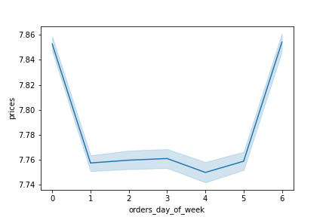
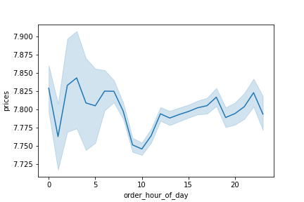

The chart to the left shows the mean price spent by hour of the day while the chart to the right shows mean price spent by day of the week with Friday and Saturday being peak days . People spend more money in the early hours of the day.

Recommendation: Higher priced items should be advertised between the hours of 12am and 7am as this is the peak time for them.

Key Question: Instacart has a lot of products with different price tags. Marketing and sales want to use simpler price range groupings to help direct their efforts.


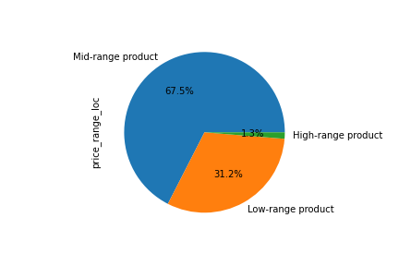

The chart to the left displays the frequency of products priced from 0-25 dollars, majority of items are priced below $15 (roughly 99%). To simplify the price range grouping, prices have been grouped in three categories.

Recommendation: The suggested price range groupings are shown in the chart to the right. High-range products are products priced greater than or equal to $15, mid-range products are products priced greater than $5 but less than $15, and low-range products are products priced at or below $5.

Key Question: Are there certain types of products that are more popular than others? The marketing and sales teams want to know which departments have the highest frequency of product orders.

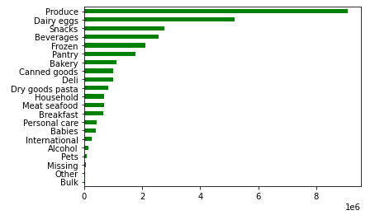

 |  |  |  |  |  | The chart to the left shows the count of products(in millions) purchased broken down by department. The top 5 departments are produce, dairy/eggs, snacks, beverages, and frozen items respectively.

 |  |  |  |  |  | The departments that are the least popular are bulk, other, missing, pets, and alcohol. Alcohol sales can be affected by local/state laws and regulations.

Key Question: The marketing and sales teams are particularly interested in the different types of customers in their system and how their ordering behaviors differ.

What’s the distribution among users in regards to their brand loyalty (i.e., how often do they return to Instacart)?

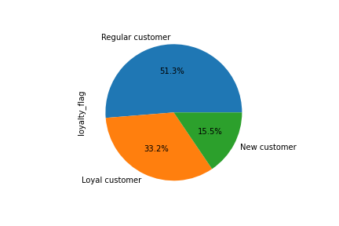

 |  |  |  |  |  | The chart to the left shows the distribution of brand loyalty. Majority of our customer base are Regular customers which means they have placed more than 10 orders but less than 41 , followed by our Loyal customers who are customers who have placed over 40 orders with Instacart.

 |  |  |  |  |  | Recommendation: Implement an incentive plan to get more new customers who have 10 or less orders to return and increase brand loyalty such as free delivery on 11th order.

Are there differences in ordering habits based on a customer’s loyalty status?
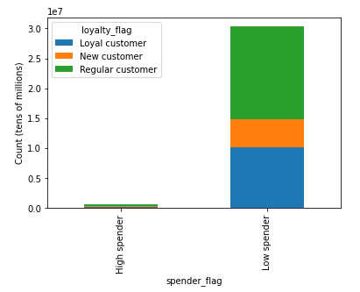
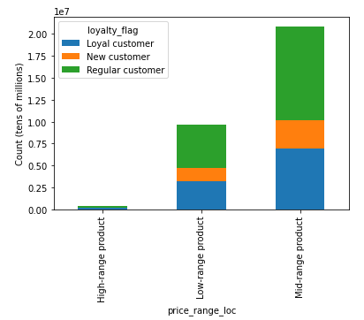

spender_flag | Loyal customer | New customer | Regular customer |  | price_range_loc | Loyal customer | New customer | Regular customer
High spender | 216600 | 84011 | 302814 |  | High-range product | 119936 | 65927 | 212090
Low spender | 10067493 | 4719684 | 15573962 |  | Low-range product | 3214690 | 1501288 | 4958862
 |  |  |  |  | Mid-range product | 6949467 | 3236480 | 10705824

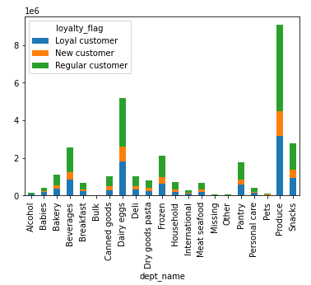
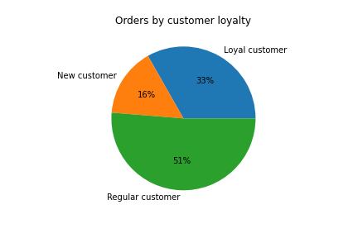

There are not many differences in ordering habits based on loyalty status. Whether they are a new customer, regular customer, or loyal customer they are customers who are low spenders that mainly spend on mid-range products with the top products for all three loyalty statuses being the same(produce, dairy/eggs, snacks). Our regular customers make up most of our customer base as well as most orders on the app (51%).

Are there differences in ordering habits based on a customer’s region?
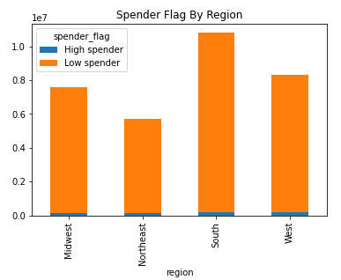
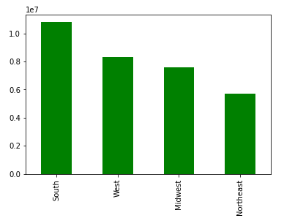

 |  | Region | States(cnt) | Count |  | The south has the most states and therefore the most customer orders in the app. The spending habits across the regions are simliarily proportioned with majority of customers being low spenders.
 |  | South | 17 | 10,791,885
 |  | West | 13 | 8,292,913
 |  | Midwest | 12 | 7,597,325 |  | Recommendations: Multiple strategies can be taken to boost sales in geographic regions. The first strategy can be to promote more high-range products in the south to increase the number of high spenders in the largest market. Another approach can be to target the West as they are the second largest market, to boost orders.
 |  | Northeast | 9 | 5,722,736

Is there a connection between age and family status in terms of ordering habits?
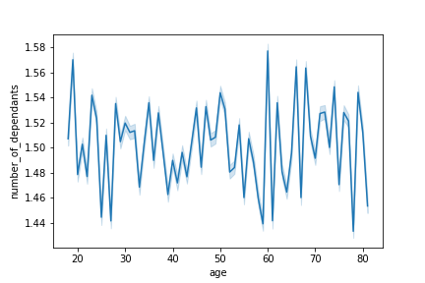


The scatterplot shows that for individuals under 40, majority of there income is 200k and lower with nobody having income over 400k. After 40, most individuals earn 300k or less but the higher income earners earning close to 600k. Salaray ranges increase as a persons age increases, therefore the older a person is the more buying power they have. There is no clear connection between age and number of dependents.

What different classifications does the demographic information suggest? Age? Income? Certain types of goods? Family status?

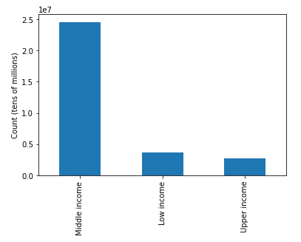
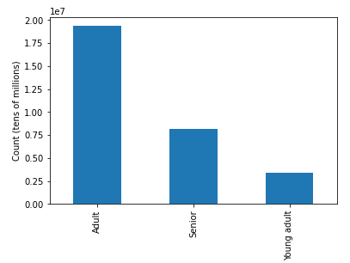

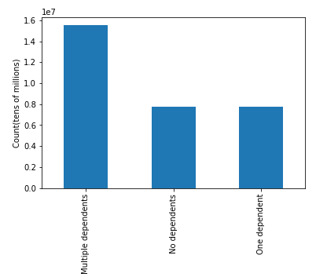
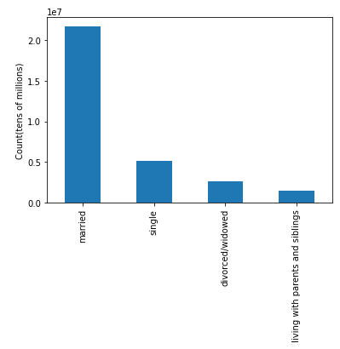

The infromation above suggest that Instacart users are typically Adults (age 25-64), Middle income (52,201-156,600), married, with multiple dependents.

What differences can you find in ordering habits of different customer profiles? Consider the price of orders, the frequency of orders, the products customers are ordering, and anything else you can think of.

Age Group:

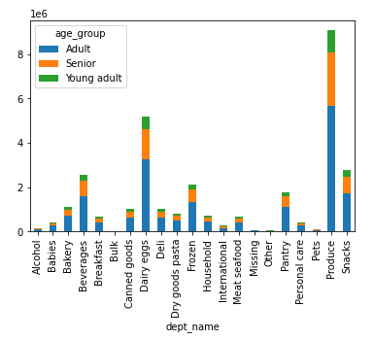
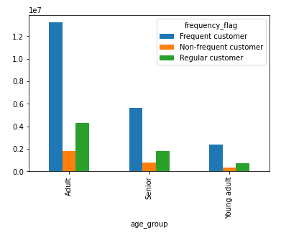
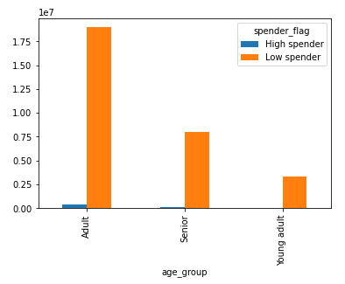

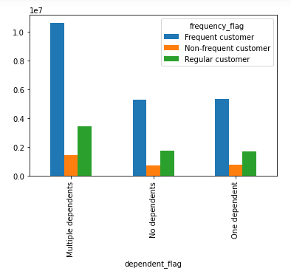
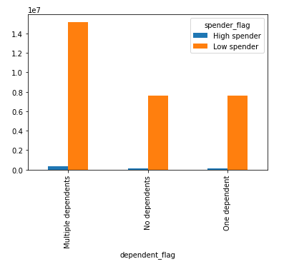
Dependent Flag:
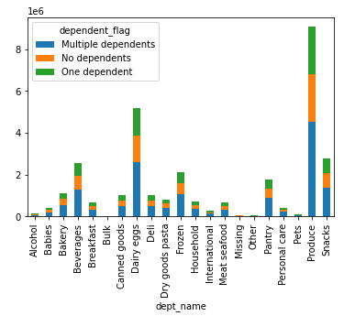

Income Flag:

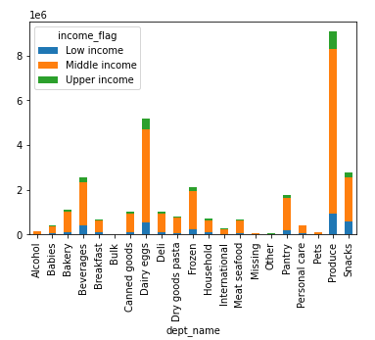
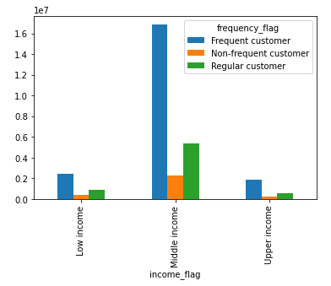
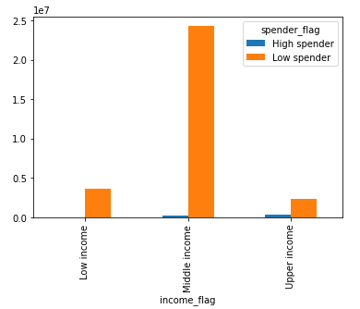

The charts above show the ordering habits of our customer profile for age group, number of dependents, and income. The spending habits of users with one or no dependents have no significant different. In terms of the spending habits of low and upper income users there habits are similar with low income users spending more and more frequently than their upper income counterparts. The charts support our previous analysis that our primary user is middle income adults with multiple dependents.

Recommendations: Target middle income users age 25-64 with multiple dependents with ads, promotions, and recommendations from the produce, dairy/egg, and snack departments. With the beverage department closely behind snacks, ads/promos can be sent out for those items as well.

7. Recommendations
 |  | Title page

Recommendations

In this tab you should include any recommendations you would made to Instcart in terms of their marketing strategy based on the questions posed in the brief. Every key question has been covered in the Tasks of the Exercises - here you need to add an item - a visualisation or table/crosstable that is showing the answer in the data, acompanied by a comment from you. Please, list the questions below and add the answer underneath.

Question | Answer
Key Question 1
Key Question 2
Key Question 3
Key Question 4
Key Question 5
Key Question 6
Key Question 7

